Dynamic Model
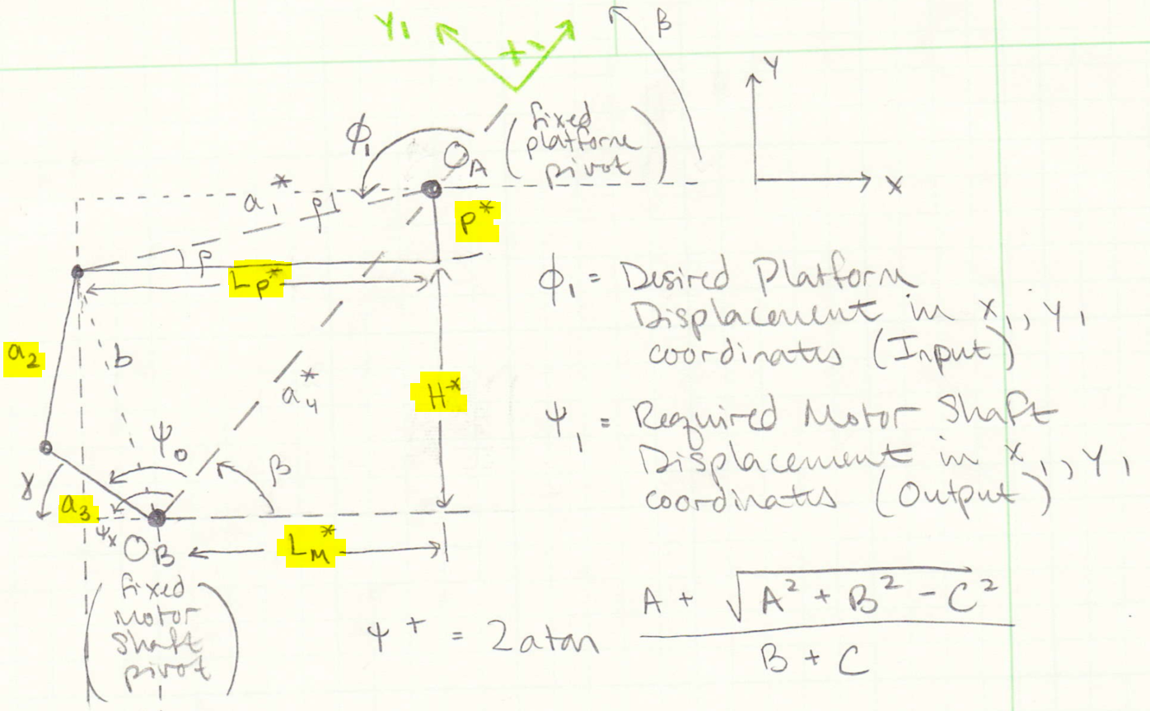
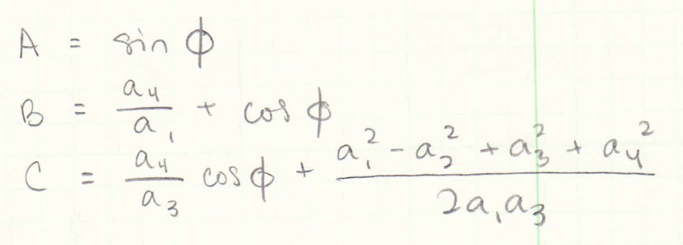
Desired Output Angle at Platform Pivot (degrees) (angle from neutral position) | Input Angle with Offset at Platform Pivot (PHI) degrees | A | B | C | Under the SQRT | Required Angle at Motor Shaft (PSI) degrees | Ratio of Platform Output to Motor Shaft Input | Motor link angle from horizontal | Inputs (Link Lengths) | inches |  | Static Inputs (System Dimensions) | inches |  | Original Values (in)
-14 | 164.26 | 0.271 | 0.297 | 0.055 | 0.159 | 124.49 | 1.32 | -0.80 | a1 | 4.47 |  | Distance motor to pivot (x) Lm* | 3.125 | 2.6875 | 5
-13 | 163.26 | 0.288 | 0.302 | 0.069 | 0.170 | 124.11 | 1.32 | -0.42 | a2 | 2.5 | (L2) | Distance motor to linkage attach (y) H* | 2.6875 |  | 3.5 | 3.3125
-12 | 162.26 | 0.305 | 0.307 | 0.084 | 0.180 | 123.62 | 1.31 | 0.07 | a3 | 2 | (L1) | Distance motor to pivot (y) (H*+p*) | 4.6875
-11 | 161.26 | 0.321 | 0.313 | 0.099 | 0.191 | 123.01 | 1.31 | 0.68 | a4 | 5.63 |  | Distance pivot to linkage attach on platform (x) Lp* | 4 |  | 6
-10 | 160.26 | 0.338 | 0.319 | 0.115 | 0.202 | 122.31 | 1.31 | 1.38 |  |  |  | Distance pivot to linkage attach on platform (y) p* | 2 |  | 0.5
-9 | 159.26 | 0.354 | 0.325 | 0.132 | 0.213 | 121.52 | 1.31 | 2.17
-8 | 158.26 | 0.370 | 0.331 | 0.150 | 0.224 | 120.64 | 1.31 | 3.05
-7.5 | 157.76 | 0.379 | 0.334 | 0.159 | 0.230 | 120.18 | 1.31 | 3.51 |  |  |  | Calculation of initial angle (PSI) |  |  | 0.8125
-7 | 157.26 | 0.387 | 0.337 | 0.169 | 0.235 | 119.69 | 1.31 | 4.00 |  |  |  | l* (in) | 0.875
-6.5 | 156.76 | 0.395 | 0.341 | 0.178 | 0.240 | 119.19 | 1.32 | 4.50 |  |  |  | b* (in) | 2.83
-6 | 156.26 | 0.403 | 0.344 | 0.188 | 0.245 | 118.67 | 1.32 | 5.02 |  |  |  | alpha* (degrees) | 71.97
-5.5 | 155.76 | 0.411 | 0.348 | 0.198 | 0.250 | 118.13 | 1.32 | 5.56 |  |  |  | angle A2 (law of cosines) | 59.50
-5 | 155.26 | 0.419 | 0.352 | 0.208 | 0.255 | 117.58 | 1.32 | 6.11 |  |  |  | initial angle psi (degrees) | 111.22
-4.5 | 154.76 | 0.426 | 0.355 | 0.219 | 0.260 | 117.01 | 1.32 | 6.68 |  |  |  | initial angle psi (degrees) measured from horizontal | 12.47
-4 | 154.26 | 0.434 | 0.359 | 0.229 | 0.265 | 116.42 | 1.32 | 7.27
-3.5 | 153.76 | 0.442 | 0.363 | 0.240 | 0.270 | 115.82 | 1.33 | 7.87 |  |  |  | Calculation of initial angle (PHI)
-3 | 153.26 | 0.450 | 0.367 | 0.251 | 0.274 | 115.21 | 1.33 | 8.48 |  |  |  | beta (transformation angle to standard axis) | 56.31
-2.5 | 152.76 | 0.458 | 0.371 | 0.262 | 0.278 | 114.58 | 1.33 | 9.11 |  |  |  | phi_x (angle phi to horizontal axis) | 123.69
-2 | 152.26 | 0.466 | 0.375 | 0.273 | 0.282 | 113.93 | 1.34 | 9.76 |  |  |  | rho | 26.57
-1.5 | 151.76 | 0.473 | 0.379 | 0.285 | 0.286 | 113.28 | 1.34 | 10.41 |  |  |  | initial angle (phi) | 150.26
-1 | 151.26 | 0.481 | 0.383 | 0.297 | 0.290 | 112.61 | 1.34 | 11.08
-0.5 | 150.76 | 0.489 | 0.387 | 0.309 | 0.293 | 111.92 | 1.35 | 11.77
0 | 150.26 | 0.496 | 0.391 | 0.321 | 0.297 | 111.22 | 1.35 | 12.47
0.5 | 149.76 | 0.504 | 0.396 | 0.333 | 0.299 | 110.51 | 1.36 | 13.18
1 | 149.26 | 0.511 | 0.400 | 0.346 | 0.302 | 109.79 | 1.36 | 13.90
1.5 | 148.76 | 0.519 | 0.405 | 0.358 | 0.305 | 109.05 | 1.36 | 14.64
2 | 148.26 | 0.526 | 0.409 | 0.371 | 0.307 | 108.30 | 1.37 | 15.39
2.5 | 147.76 | 0.534 | 0.414 | 0.384 | 0.309 | 107.53 | 1.37 | 16.16
3 | 147.26 | 0.541 | 0.419 | 0.397 | 0.310 | 106.75 | 1.38 | 16.94
3.5 | 146.76 | 0.548 | 0.423 | 0.411 | 0.311 | 105.96 | 1.38 | 17.73
4 | 146.26 | 0.555 | 0.428 | 0.424 | 0.312 | 105.16 | 1.39 | 18.53
4.5 | 145.76 | 0.563 | 0.433 | 0.438 | 0.312 | 104.34 | 1.40 | 19.35
5 | 145.26 | 0.570 | 0.438 | 0.452 | 0.312 | 103.50 | 1.40 | 20.19
5.5 | 144.76 | 0.577 | 0.443 | 0.466 | 0.312 | 102.66 | 1.41 | 21.03
6 | 144.26 | 0.584 | 0.448 | 0.480 | 0.311 | 101.79 | 1.42 | 21.90
6.5 | 143.76 | 0.591 | 0.453 | 0.495 | 0.310 | 100.92 | 1.42 | 22.77
7 | 143.26 | 0.598 | 0.458 | 0.509 | 0.309 | 100.02 | 1.43 | 23.67
7.5 | 142.76 | 0.605 | 0.464 | 0.524 | 0.307 | 99.12 | 1.44 | 24.57
8 | 142.26 | 0.612 | 0.469 | 0.539 | 0.304 | 98.19 | 1.45 | 25.50
8.5 | 141.76 | 0.619 | 0.474 | 0.554 | 0.301 | 97.25 | 1.46 | 26.44
9 | 141.26 | 0.626 | 0.480 | 0.570 | 0.298 | 96.29 | 1.47 | 27.40
9.5 | 140.76 | 0.633 | 0.485 | 0.585 | 0.294 | 95.31 | 1.48 | 28.38
10 | 140.26 | 0.639 | 0.491 | 0.601 | 0.289 | 94.32 | 1.49 | 29.37
10.5 | 139.76 | 0.646 | 0.496 | 0.616 | 0.284 | 93.30 | 1.50 | 30.39
11 | 139.26 | 0.653 | 0.502 | 0.632 | 0.278 | 92.26 | 1.51 | 31.43
11.5 | 138.76 | 0.659 | 0.508 | 0.649 | 0.272 | 91.20 | 1.52 | 32.49
12 | 138.26 | 0.666 | 0.514 | 0.665 | 0.265 | 90.11 | 1.53 | 33.58
12.5 | 137.76 | 0.672 | 0.519 | 0.681 | 0.258 | 89.00 | 1.55 | 34.69
13 | 137.26 | 0.679 | 0.525 | 0.698 | 0.250 | 87.86 | 1.56 | 35.83
14 | 136.2551187 | 0.69144851831 | 0.53730203545 | 0.73152352405 | 0.23166786453 | 85.494015315 | 1.5937386752 | 38.196052211
15 | 135.2551187 | 0.70395127495 | 0.54947950496 | 0.76582546994 | 0.21098647347 | 82.980467424 | 1.6299633263 | 40.709600102
16 | 134.2551187 | 0.71623960121 | 0.56187332297 | 0.80073683427 | 0.18752131965 | 80.29109843 | 1.6721046458 | 43.398969096
17 | 133.2551187 | 0.72830975395 | 0.57447971421 | 0.83624698272 | 0.16115302363 | 77.377398761 | 1.7221452367 | 46.312668765
18 | 132.2551187 | 0.74015805648 | 0.58729483865 | 0.87234509854 | 0.13176320512 | 74.16168836 | 1.7833347869 | 49.528379166
19 | 131.2551187 | 0.7517808997 | 0.60031479267 | 0.90902018591 | 0.099234673052 | 70.505253069 | 1.8616360199 | 53.184814457
20 | 130.2551187 | 0.76317474317 | 0.61353561028 | 0.94626107324 | 0.063451614964 | 66.109839582 | 1.9702833879 | 57.580227944
21 | 129.2551187 | 0.77433611622 | 0.62695326427 | 0.98405641658 | 0.024299785453 | 60.005501481 | 2.1540544702 | 63.684566045
22 | 128.2551187 | 0.78526161899 | 0.64056366751 | 1.0223947031 | -0.018333306563 | #NUM! | #NUM! | #NUM!
23 | 127.2551187 | 0.79594792347 | 0.65436267414 | 1.0612642546 | -0.064558211988 | #NUM! | #NUM! | #NUM!

Test Sine Wave
Time | Desired Output Angle at Platform Pivot (degrees) | Input Angle with Offset at Platform Pivot (PHI) degrees | A | B | C | Under the SQRT | Required Angle at Motor Shaft (PSI) degrees | Ratio of Platform Output to Motor Shaft Input | Static Inputs | inches | Distance motor to pivot (x) (in) | 5
0 | 0.00 | 146.10 | 0.558 | 0.233 | 0.457 | 0.157 | 108.22 | 1.35 | a1 | 6.02 | Distance motor to pivot (y) (in) | 4
0.2 | 4.41 | 141.70 | 0.620 | 0.279 | 0.602 | 0.100 | 93.47 | 1.52 | a2 | 2.5 | Distance pivot to linkage attach on platform (x) (in) | 6
0.4 | 7.13 | 138.97 | 0.656 | 0.309 | 0.699 | 0.038 | 80.34 | 1.73 | a3 | 2 | Distance pivot to linkage attach on platform (y) (in) | 0.5
0.6 | 7.13 | 138.97 | 0.656 | 0.309 | 0.699 | 0.038 | 80.34 | 1.73 | a4 | 6.40
0.8 | 4.41 | 141.70 | 0.620 | 0.279 | 0.602 | 0.100 | 93.47 | 1.52
1 | 0.00 | 146.10 | 0.558 | 0.233 | 0.457 | 0.157 | 108.22 | 1.35 |  |  | Calculation of initial angle (PSI)
1.2 | -4.41 | 150.51 | 0.492 | 0.193 | 0.327 | 0.172 | 120.33 | 1.25 |  |  | H* (in) | 3.5
1.4 | -7.13 | 153.24 | 0.450 | 0.171 | 0.256 | 0.167 | 127.19 | 1.20 |  |  | l* (in) | 1
1.6 | -7.13 | 153.24 | 0.450 | 0.171 | 0.256 | 0.167 | 127.19 | 1.20 |  |  | b* (in) | 3.64
1.8 | -4.41 | 150.51 | 0.492 | 0.193 | 0.327 | 0.172 | 120.33 | 1.25 |  |  | alpha* (degrees) | 74.05
2 | 0.00 | 146.10 | 0.558 | 0.233 | 0.457 | 0.157 | 108.22 | 1.35 |  |  | angle A2 (law of cosines) | 40.93
2.2 | 4.41 | 141.70 | 0.620 | 0.279 | 0.602 | 0.100 | 93.47 | 1.52 |  |  | initial angle psi (degrees) | 108.22
 | Platform Output | Motor Shaft Output
Time | 0.00 | 0.00
0 | 146.10 | 108.22
0.2 | 141.70 | 93.47
0.4 | 138.97 | 80.34
0.6 | 138.97 | 80.34
0.8 | 141.70 | 93.47
1 | 146.10 | 108.22
1.2 | 150.51 | 120.33
1.4 | 153.24 | 127.19
1.6 | 153.24 | 127.19
1.8 | 150.51 | 120.33
2 | 146.10 | 108.22
2.2 | 141.70 | 93.47
2.4 | 138.97 | 80.34
2.6 | 138.97 | 80.34
2.8 | 141.70 | 93.47
3 | 146.10 | 108.22
3.2 | 150.51 | 120.33
3.4 | 153.24 | 127.19
3.6 | 153.24 | 127.19
3.8 | 150.51 | 120.33
4 | 146.10 | 108.22
4.2 | 141.70 | 93.47
4.4 | 138.97 | 80.34
4.6 | 138.97 | 80.34
4.8 | 141.70 | 93.47
5 | 146.10 | 108.22
2.4 | 7.13 | 138.97 | 0.656 | 0.309 | 0.699 | 0.038 | 80.34 | 1.73 |  |  | initial angle psi (degrees) measured from horizontal | 37.89
2.6 | 7.13 | 138.97 | 0.656 | 0.309 | 0.699 | 0.038 | 80.34 | 1.73
2.8 | 4.41 | 141.70 | 0.620 | 0.279 | 0.602 | 0.100 | 93.47 | 1.52 |  |  | Calculation of initial angle (PHI)
3 | 0.00 | 146.10 | 0.558 | 0.233 | 0.457 | 0.157 | 108.22 | 1.35 |  |  | beta (transformation angle to standard axis) | 38.66
3.2 | -4.41 | 150.51 | 0.492 | 0.193 | 0.327 | 0.172 | 120.33 | 1.25 |  |  | phi_x (angle phi to horizontal axis) | 141.34
3.4 | -7.13 | 153.24 | 0.450 | 0.171 | 0.256 | 0.167 | 127.19 | 1.20 |  |  | rho | 4.76
3.6 | -7.13 | 153.24 | 0.450 | 0.171 | 0.256 | 0.167 | 127.19 | 1.20 |  |  | initial angle (phi) | 146.10
3.8 | -4.41 | 150.51 | 0.492 | 0.193 | 0.327 | 0.172 | 120.33 | 1.25
4 | 0.00 | 146.10 | 0.558 | 0.233 | 0.457 | 0.157 | 108.22 | 1.35
4.2 | 4.41 | 141.70 | 0.620 | 0.279 | 0.602 | 0.100 | 93.47 | 1.52 |  |  | Dynamic Inputs
4.4 | 7.13 | 138.97 | 0.656 | 0.309 | 0.699 | 0.038 | 80.34 | 1.73 |  |  | Amplitude (degrees) | 7.5
4.6 | 7.13 | 138.97 | 0.656 | 0.309 | 0.699 | 0.038 | 80.34 | 1.73 |  |  | Frequency (Hz) | 0.5
4.8 | 4.41 | 141.70 | 0.620 | 0.279 | 0.602 | 0.100 | 93.47 | 1.52
5 | 0.00 | 146.10 | 0.558 | 0.233 | 0.457 | 0.157 | 108.22 | 1.35

